Dashboard
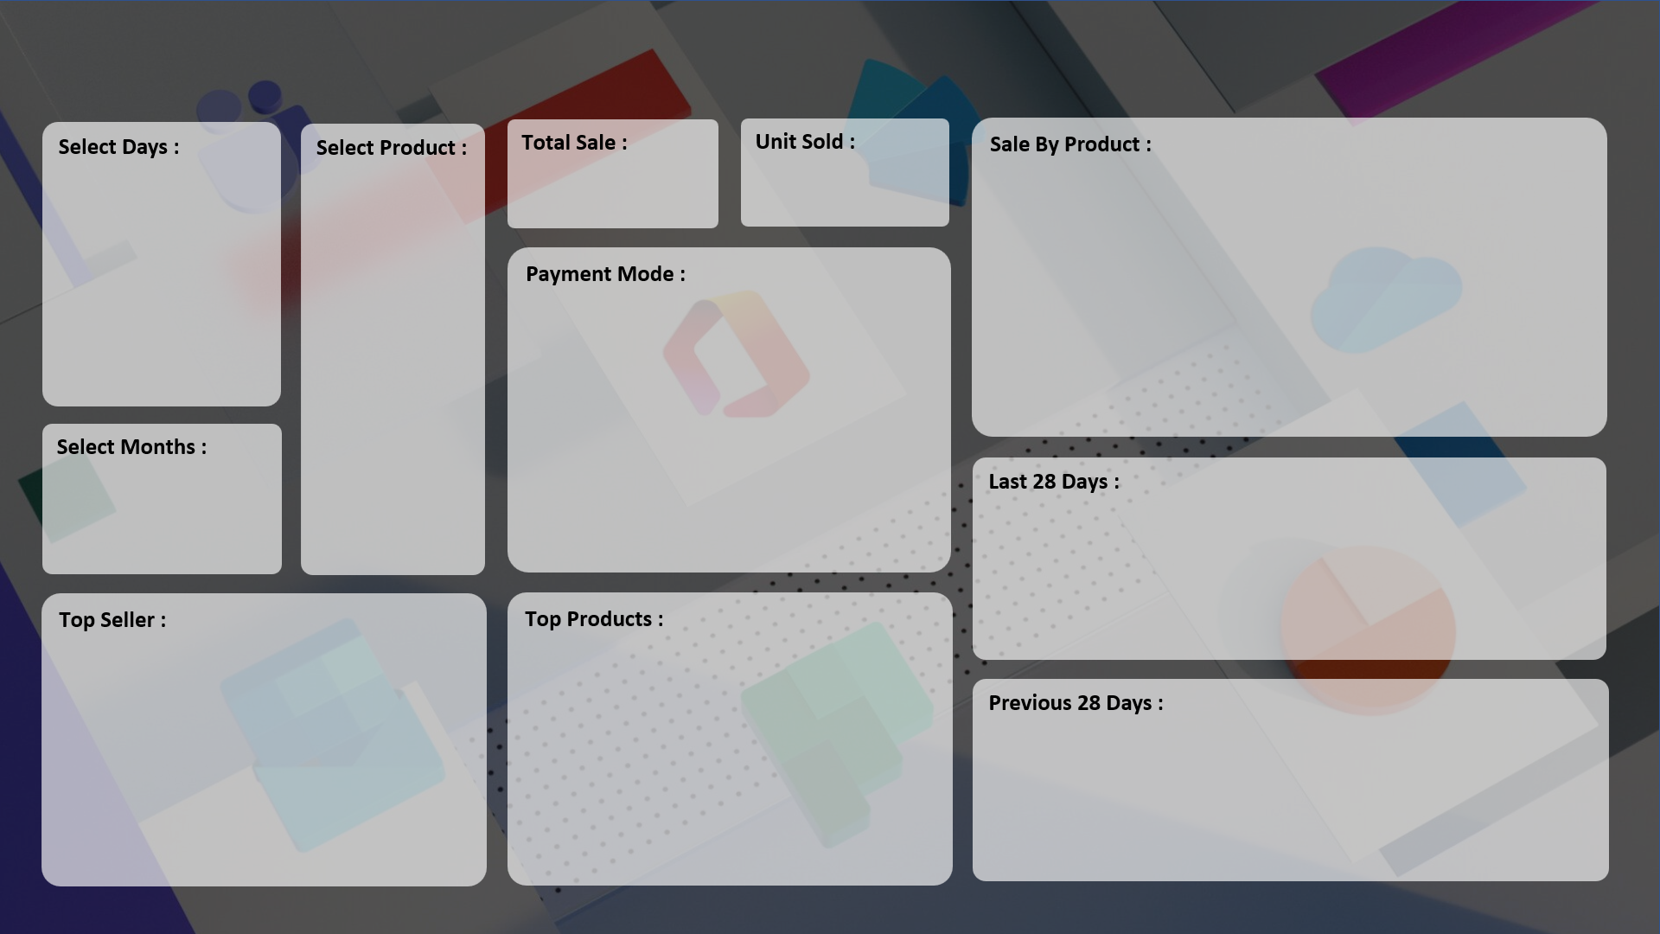
SALE PERFORMANCE DASHBOARD 2024
Subham EDUWORLD

₹ 13,478,330
7,679
 | Total
HDD 256 GB | 1295
Keyboard | 1320
Monitor | 904
Mouse | 787
Printer | 928
Scanner | 856

 | Total
Cash | 3116
Online | 2974

 | Total
15-Aug | 24
16-Aug | 19
17-Aug | 9
18-Aug | 32
19-Aug | 66
20-Aug | 35
21-Aug | 30
22-Aug | 39
23-Aug | 68
24-Aug | 70
25-Aug | 82
26-Aug | 79
27-Aug | 127
28-Aug | 105
29-Aug | 108
30-Aug | 77
31-Aug | 118
01-Sep | 132
02-Sep | 181
03-Sep | 127
04-Sep | 97
05-Sep | 197
06-Sep | 156
07-Sep | 163
08-Sep | 121
09-Sep | 110
10-Sep | 219
11-Sep | 240

 | Total
CCC Mart | 1499
ABC Traders | 1617
RG Store | 1802
 | Total
HDD 256 GB | 1295
Keyboard | 1320
SSD 256 GB | 1589

 | Total
18-Jul | 14
19-Jul | 14
20-Jul | 10
21-Jul | 23
22-Jul | 17
23-Jul | 12
24-Jul | 10
25-Jul | 11
26-Jul | 22
27-Jul | 19
28-Jul | 9
29-Jul | 9
30-Jul | 18
31-Jul | 19
01-Aug | 12
02-Aug | 13
03-Aug | 7
04-Aug | 26
05-Aug | 16
06-Aug | 12
07-Aug | 8
08-Aug | 13
09-Aug | 23
10-Aug | 14
11-Aug | 10
12-Aug | 7
13-Aug | 23
14-Aug | 17

